Лист1
World Cup Diamond-2013
kickboxing WAKO
Winners
low kick
Place | Name | Team
1997-98 d.b.
52 kg
I | ZINAIDA SNITKO | RUSSIA, BLAGOVESCHINSK
II | OLESYA SAVCHENKO | RUSSIA, KALUGA
1997-98 d.b.
56 kg
I | IRINA NESTERENKO | RUSSIA, MOSCOW
II | ARPI MARTIROSYAN | RUSSIA, KRASNODAR
III | VERA GOFMAN | RUSSIA, KALUGA
1997-98 d.b.
65 kg
I | PARIA KOSENKOVA | RUSSIA, BELGOROD
senior
65 kg
I | VICTORIA USACHENKO | RUSSIA
II | ELENA RJEVSKAYA | RUSSIA, NALCHIK
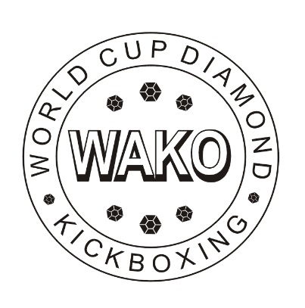
 |  | CHIEF REFEREE
 |  | Yuriy Lakhtikov, Estonia

